Monthly Activity Report
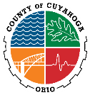
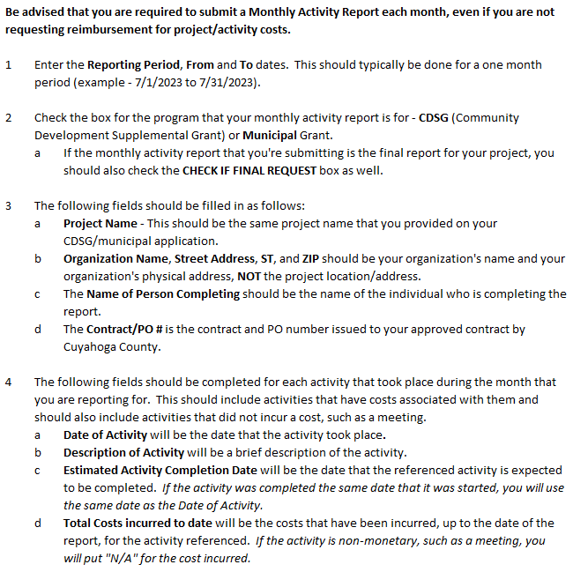
 |  | Cuyahoga County - Department of Housing & Community Development
 |  | MONTHLY ACTIVITY REPORT (Must be submitted by the 10th of the month for the preceding month)

 |  |  |  |  | Reporting Period - | From: |  | To:
Check one: |  |  | CDSG | MUNICIPAL |  |  | CHECK IF FINAL REPORT |  | DATE

 |  |  | Project Name: |  |  |  |  | Contract/ PO #:
 |  |  | Organization Name: |  |  |  |  | Phone:
 |  |  | Street Address: |  |  |  |  | ST: |  | ZIP:
 | Name of Person Completing:

 |  | Check this box if you are NOT submitting a Reimbursement Request for this month

Date of Activity |  | Description of Activity |  |  |  |  |  | Estimated Activity Completion Date |  | Total Costs incurred to date

 |  |  |  |  |  |  |  |  |  |  |  | If you are NOT submitting a Reimbursement request for the Reporting Period, be sure to check the box that advises this.

(If additional lines are needed, attach a spreadsheet) |  |  |  |  |  |  |  |  |  |  | Form Revision as of 8/24/2023

Must be submitted by the 10th of each month for the preceding month.

Your Reimbursement Request
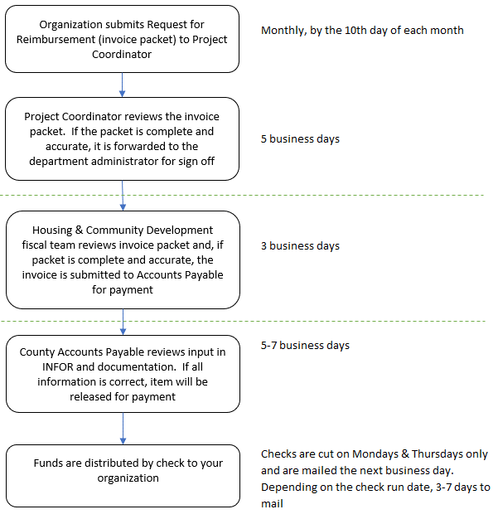
Organization submits Request for Reimbursement (invoice packet) to Project Coordinator
Monthly, by the 10th day of each month

Project Coordinator reviews the invoice packet. If the packet is complete and accurate, it is forwarded to the department administrator for sign off

5 business days

Housing & Community Development fiscal team reviews invoice packet and, if packet is complete and accurate, the invoice is submitted to Accounts Payable for payment

3 business days

County Accounts Payable reviews input in INFOR and documentation. If all information is correct, item will be released for payment
5-7 business days

Funds are distributed by check to your organization
Checks are cut on Mondays & Thursdays only and are mailed the next business day. Depending on the check run date, 3-7 days to mail

